Sheet1
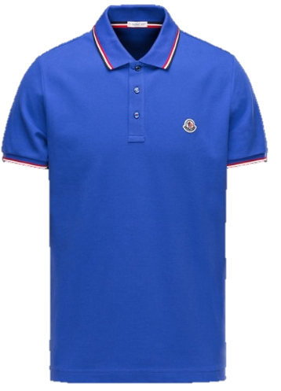

BRAND : | Moncler | AVAILABLE SIZES | S | M | L | XL | XXL
MODEL : | Short Sleeve Men Shirt |  | 22 | 66 | 66 | 44 | 22
STOCK CODE : | MMSP1001
COLOR : | Sax
DESCRIPTION : | 100% Cotton
ORIGIN : | Imported
 |  |  |  |  |  |  |  | Total | 220

SALES PRICE: | 43.00 €
RETAIL PRICE: | 125.00 €

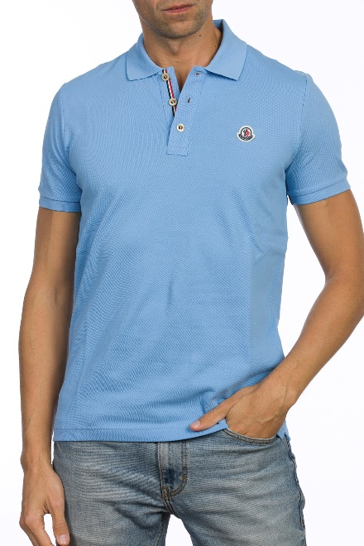

BRAND : | Moncler | AVAILABLE SIZES | S | M | L | XL | XXL
MODEL : | Short Sleeve Men Shirt |  | 23 | 69 | 69 | 46 | 23
STOCK CODE : | MMSP1002
COLOR : | Blue
DESCRIPTION : | 100% Cotton
ORIGIN : | Imported
 |  |  |  |  |  |  |  | Total | 230

SALES PRICE: | 43.00 €
RETAIL PRICE: | 125.00 €

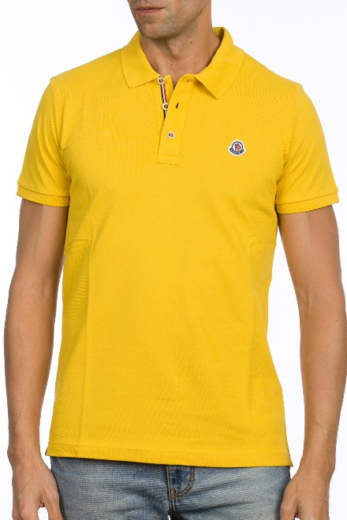

BRAND : | Moncler | AVAILABLE SIZES | S | M | L | XL | XXL
MODEL : | Short Sleeve Men Shirt |  | 16 | 48 | 48 | 32 | 16
STOCK CODE : | MMSP1003
COLOR : | Yellow
DESCRIPTION : | 100% Cotton
ORIGIN : | Imported
 |  |  |  |  |  |  |  | Total | 160

SALES PRICE: | 43.00 €
RETAIL PRICE: | 125.00 €

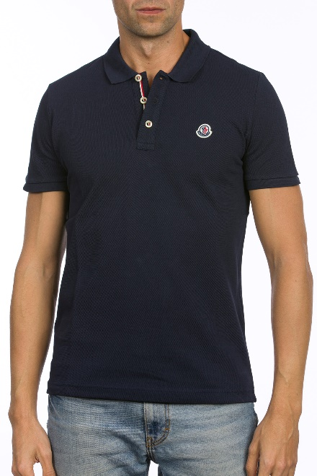

BRAND : | Moncler | AVAILABLE SIZES | S | M | L | XL | XXL
MODEL : | Short Sleeve Men Shirt |  | 40 | 120 | 120 | 80 | 40
STOCK CODE : | MMSP1004
COLOR : | Navy- Dark Blue
DESCRIPTION : | 100% Cotton
ORIGIN : | Imported
 |  |  |  |  |  |  |  | Total | 400

SALES PRICE: | 43.00 €
RETAIL PRICE: | 125.00 €

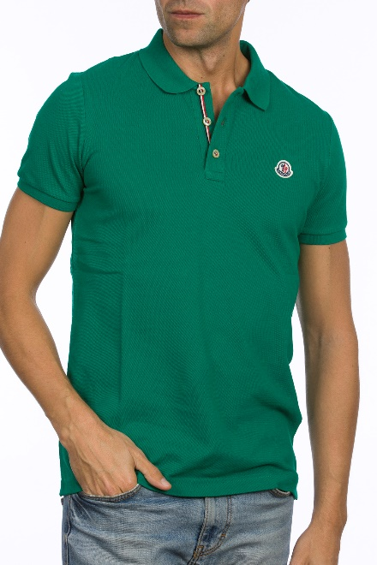

BRAND : | Moncler | AVAILABLE SIZES | S | M | L | XL | XXL
MODEL : | Short Sleeve Men Shirt |  | 16 | 48 | 48 | 32 | 16
STOCK CODE : | MMSP1005
COLOR : | Dark Green
DESCRIPTION : | 100% Cotton
ORIGIN : | Imported
 |  |  |  |  |  |  |  | Total | 160

SALES PRICE: | 43.00 €
RETAIL PRICE: | 125.00 €

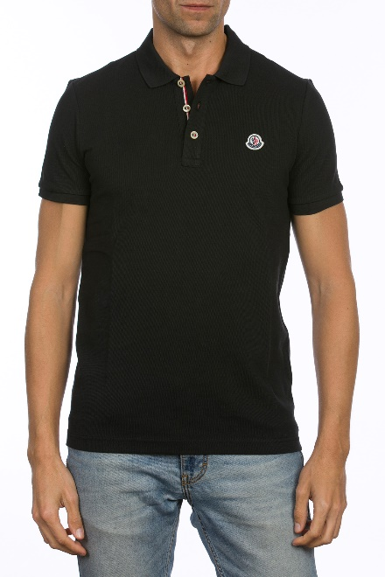

BRAND : | Moncler | AVAILABLE SIZES | S | M | L | XL | XXL
MODEL : | Short Sleeve Men Shirt |  | 43 | 129 | 129 | 86 | 43
STOCK CODE : | MMSP1006
COLOR : | Black
DESCRIPTION : | 100% Cotton
ORIGIN : | Imported
 |  |  |  |  |  |  |  | Total | 430

SALES PRICE: | 43.00 €
RETAIL PRICE: | 125.00 €

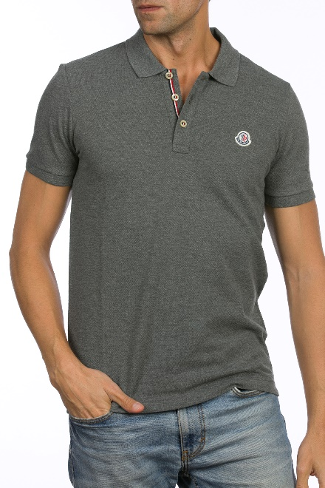

BRAND : | Moncler | AVAILABLE SIZES | S | M | L | XL | XXL
MODEL : | Short Sleeve Men Shirt |  | 33 | 99 | 99 | 66 | 33
STOCK CODE : | MMSP1007
COLOR : | Dark Grey - Antrasit
DESCRIPTION : | 100% Cotton
ORIGIN : | Imported
 |  |  |  |  |  |  |  | Total | 330

SALES PRICE: | 43.00 €
RETAIL PRICE: | 125.00 €

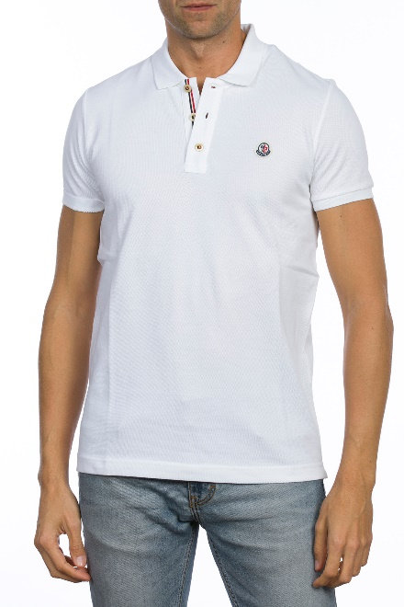

BRAND : | Moncler | AVAILABLE SIZES | S | M | L | XL | XXL
MODEL : | Short Sleeve Men Shirt |  | 43 | 129 | 129 | 86 | 43
STOCK CODE : | MMSP1008
COLOR : | White
DESCRIPTION : | 100% Cotton
ORIGIN : | Imported
 |  |  |  |  |  |  |  | Total | 430

SALES PRICE: | 43.00 €
RETAIL PRICE: | 125.00 €

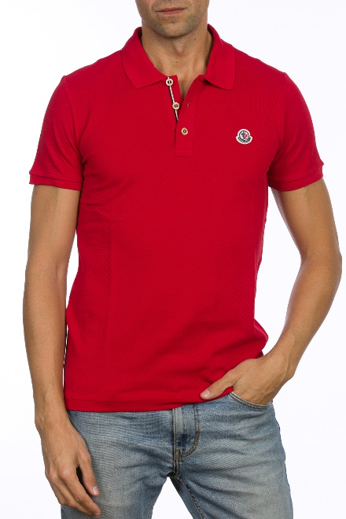

BRAND : | Moncler | AVAILABLE SIZES | S | M | L | XL | XXL
MODEL : | Short Sleeve Men Shirt |  | 21 | 63 | 63 | 42 | 21
STOCK CODE : | MMSP1009
COLOR : | Red
DESCRIPTION : | 100% Cotton
ORIGIN : | Imported
 |  |  |  |  |  |  |  | Total | 210

SALES PRICE: | 43.00 €
RETAIL PRICE: | 125.00 €

